Capture Methods
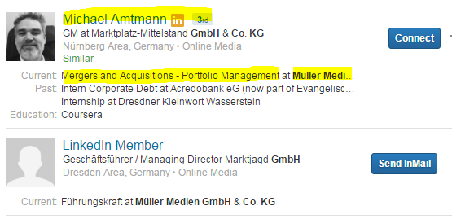
Fetch all data from search result panel itself
Profile has to be opened if space not enough for given space

Methods of revealing 'Linkedin Member' Profile | Plain Google search - Works only for complicated and leangthy jobtititle

